E54_hpwh
4
6
1
Beam to be aligned
Weld portion
Nestle Cagayan de Oro Factory | Compactor - Improvement of load cell frame |  |  |  |  |  |  |  | CDOF-CP-F-XX-XXX
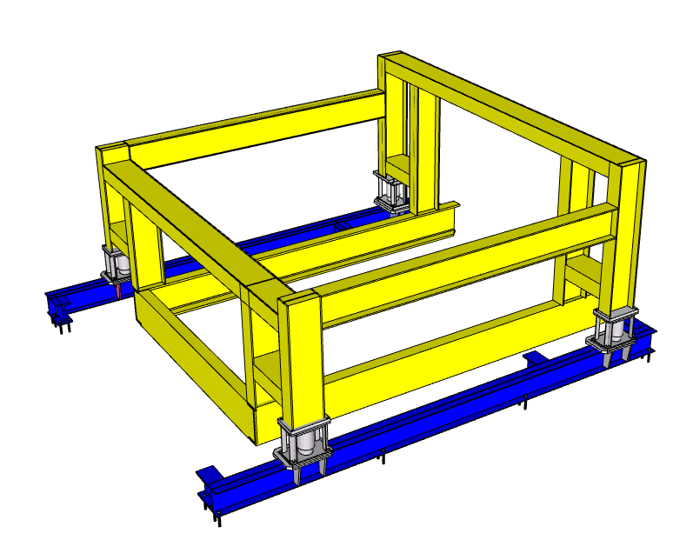 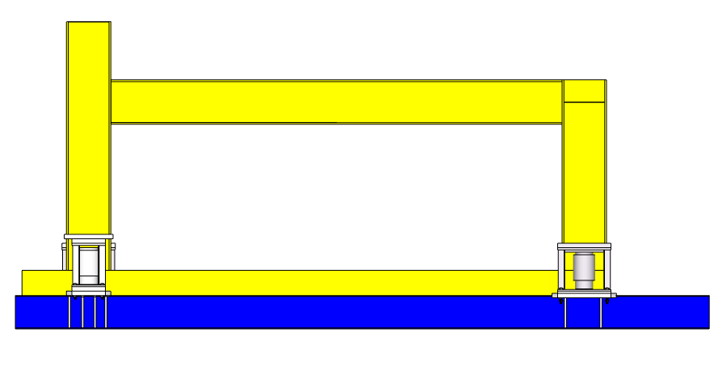

7
3
5

2

Requirement | 1 | 2 | 3 | 4 | 5 | 6 | 7 | 8 | 9 | REMARKS
Check if loadcell is disconnected before any hotworks.
Provide a firm temporary support for the vertical members of the frame before proceeding in cutting the upper horizontal member.
Conduct inspection of supports before proceeding to cutting.
Proceed to cutting of beam connections.
Conduct inspection after fitup.
Conduct partial welding after alignment.
Conduct inspection after partial welding with TBMC SE and QO.
Perform final series of welding.
After full welding, check level of beam with TBMC Site engineer, if level is not acceptable, rework welding works.

NOTES:
Performed By: |  |  | Assessed and Validated By: |  |  |  |  | Noted By:

MEGANTECH Representative |  |  | TBMC Site Engineer |  |  |  |  | NPI Project Engineer

